Job Details

Job Number & Name: | 35165 LB Bexley
Site Number/Name: | Site 4 - Marechal Niel Parade
Client: | Waterman
Date: | 2023-03-30

Site Plan
Advanced Transport Research |  |  | Job Number & Name: | 35165 LB Bexley
Site 4 - Marechal Niel Parade |  |  | Date: | 2023-03-30

Job Type: | Pedestrian & Vehicle Count
Co-ordinates: | 51°25'49.74"N, 0° 5'0.78"E | Postcode: | DA14 6QF |  | Times: | 0700-1900

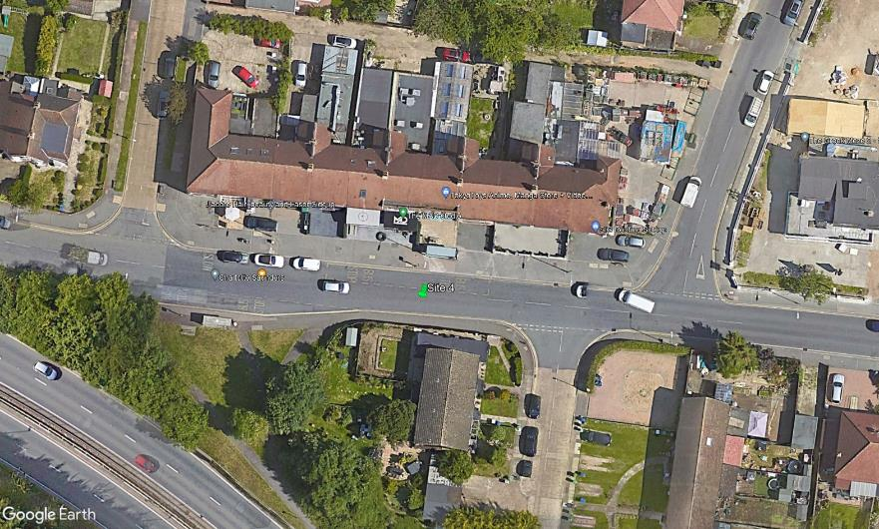
N

Parkhill Road

C
A
3
B
1
2

Marechal Niel Parade
D

